Defect Report
Bug ID | Priority | Description | Pre-requisites | Tests to Reproduce | Expected Result | Actual Result | Status | Executed by | Broswer and OS | Attachments | Comments
B001 | P1 | Validate each Product logos | 1. Open the browser and enter the URL - https://www.casio.com/in/ 2. Search something like "watches" | Look for all the product logos are unique and belong to their respective manufacturer | The displayed logos should be unique to manufacturer | All search results were having same logo | Fail | Abhijeet | Google Chrome 136.0.7103.59 Kali Linux 2025.1 | 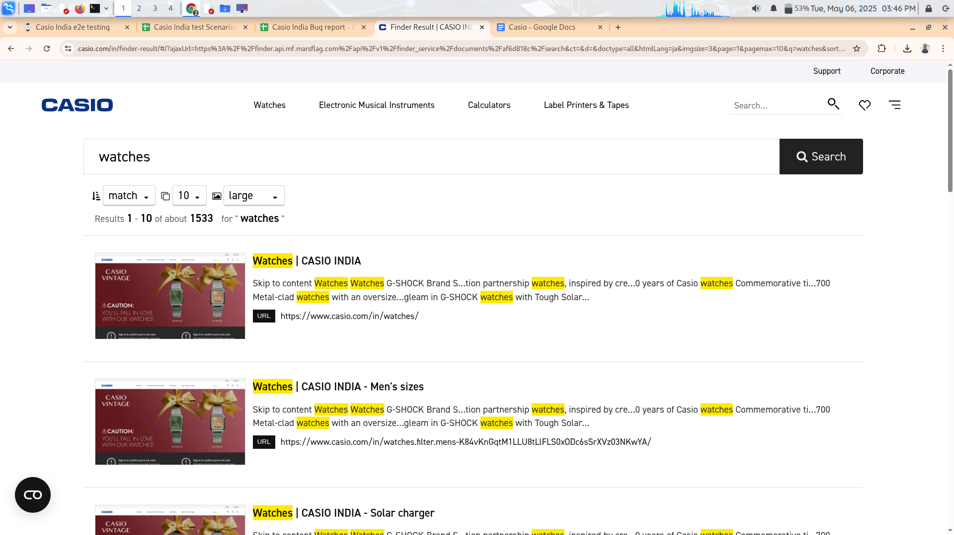
B002 | P2 | Validate Clearing of Applied Filters | 1. Open the browser and enter the URL - https://www.casio.com/in/ 2. Search something like "watches" | Apply filters and then click the "Clear Filters" button. Check if all products are displayed again | All applied filters should be removed, and the default product list should be shown | There was no option to clear or reset the filters | Fail | Abhijeet | Google Chrome 136.0.7103.59 Kali Linux 2025.1
B003 | P2 | Verify Availability of Customer Reviews and Ratings | 1. Open the browser and enter the URL - https://www.casio.com/in/ 2. Open any product | Scroll to the "Reviews" section on the product page. Check if customer ratings (e.g., 4.5 stars) and reviews are displayed. | Product ratings and reviews should be visible, with at least one review shown if available | Product ratings and reviews does not exist | Fail | Abhijeet | Google Chrome 136.0.7103.59 Kali Linux 2025.1 | 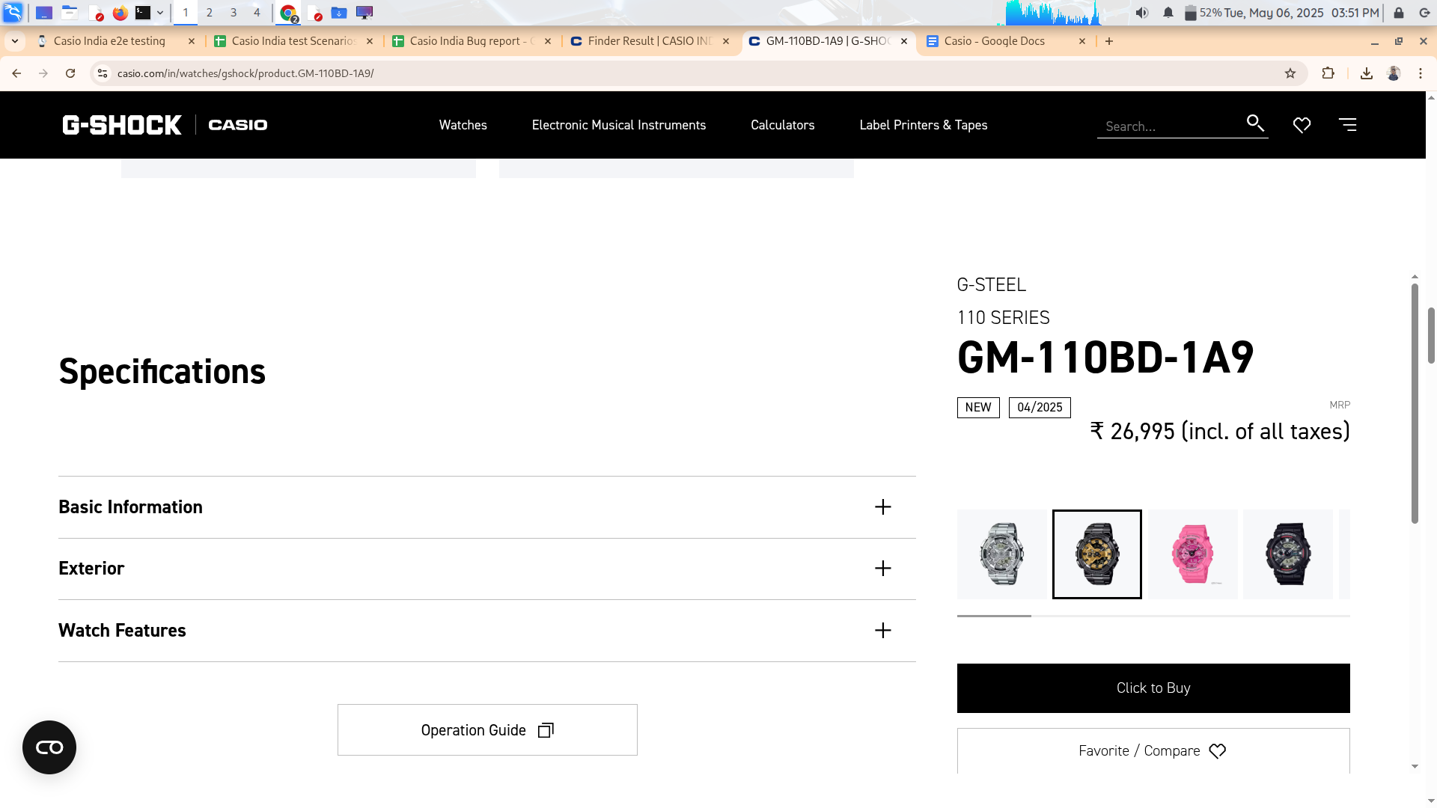
B004 | P2 | Entire Cart functionality is missing | Open the browser and enter the url - https://www.casio.com/in/ | Look for Cart functionailty throughout the AUT | Should find Cart somewhere | No existence of Cart feature | Fail | Abhijeet | Google Chrome 136.0.7103.59 Kali Linux 2025.1 | 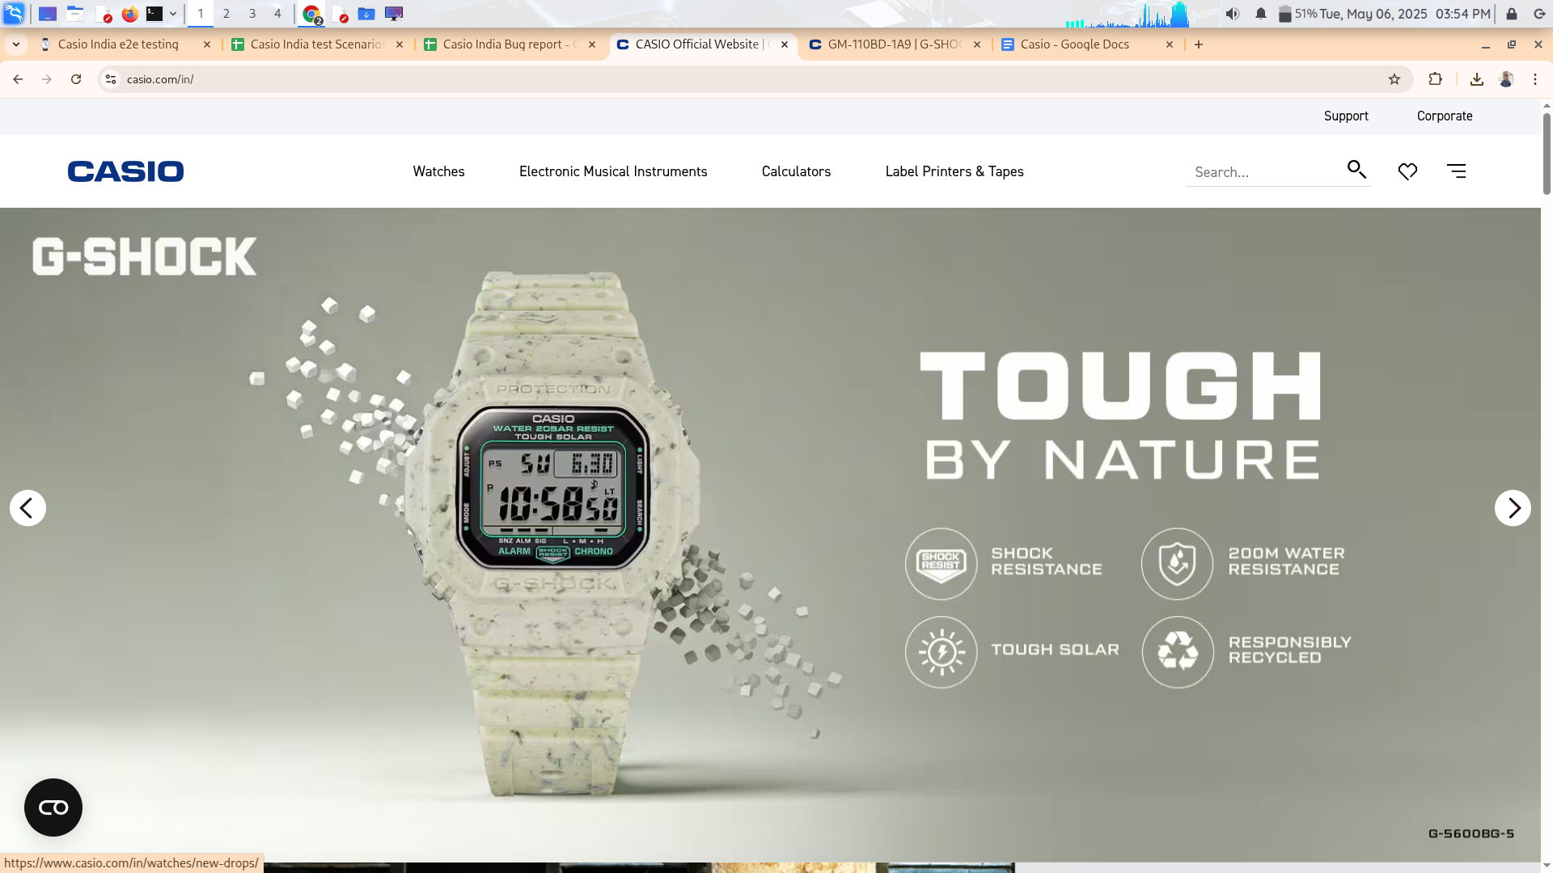
B005 | P1 | Entire Checkout functionality is missing | Open the browser and enter the url - https://www.casio.com/in/ | Look for Checkout functionailty throughout the AUT | Should find Checkout somewhere | No existence of Checkout feature | Fail | Abhijeet | Google Chrome 136.0.7103.59 Kali Linux 2025.1 |  | How to expect this after Cart's absence
B006 | P1 | Validate Search Bar with Empty Input | Open the browser and enter the url - https://www.casio.com/in/ | Click on the search icon or press Enter without entering anything | Either an error message should be shown, or the user should stay on the homepage | User is getting some random search results | CONDITIONAL PASS | Abhijeet | Google Chrome 136.0.7103.59 Kali Linux 2025.1 | 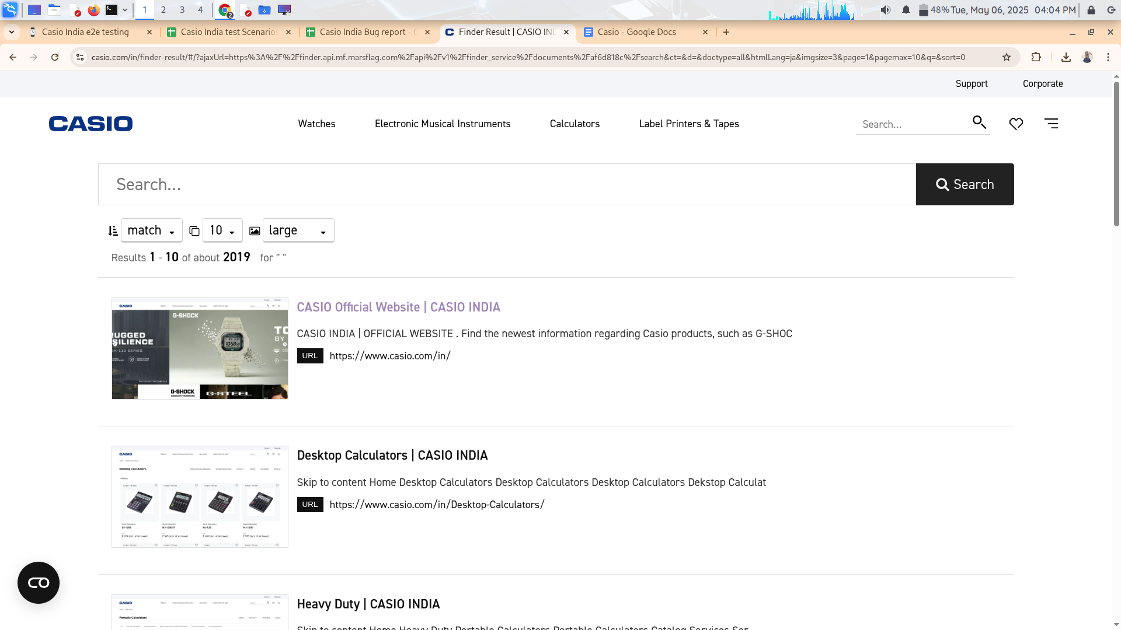
B007 | P1 | Validate Search Bar with Partial Matching Input | Open the browser and enter the url - https://www.casio.com/in/ | Enter a partial word (e.g., "wat" instead of "watches") and check the suggestions or results | The search bar should provide relevant suggestions or show matching results | The search bar is not providing relevant suggestions and showing "Did you mean?" type messages | FAIL | Abhijeet | Google Chrome 136.0.7103.59 Kali Linux 2025.1 | 